Sheet1
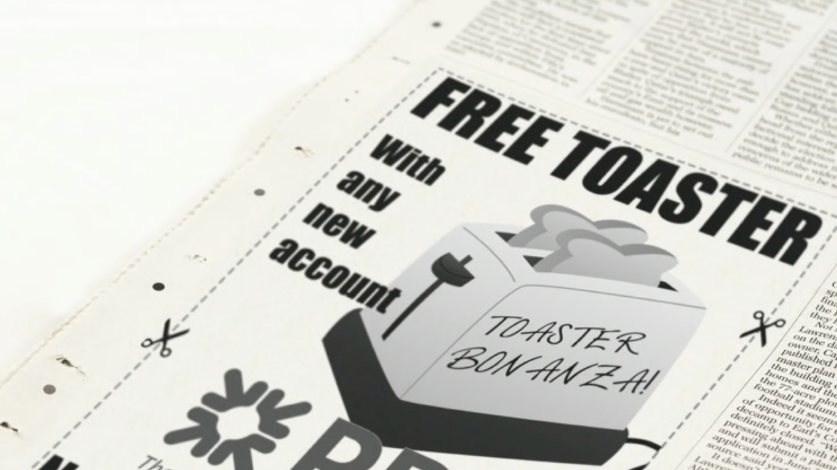
Shopping List

Items | Number needed | Price | Total Cost
Paper plates | 3 | £2.00 | £6.00
Plastic cups | 4 | £1.50 | £6.00
Serviettes | 2 | £1.99 | £3.98
Plastic cutlery | 1 | £3.50 | £3.50
Biscuits | 3 | £1.25 | £3.75
Crisps | 2 | £3.95 | £7.90
Drink | 4 | £1.99 | £7.96
Outfit | 1 | £68.50 | £68.50
Toaster | 69 | £30.00 | £2,070.00

 |  |  | Overall Total
 |  |  | £2,177.59
 |  |  |  | Toaster Bonanza!!!!!!!!!!!!!!!!!!!!!!!!!

